EF
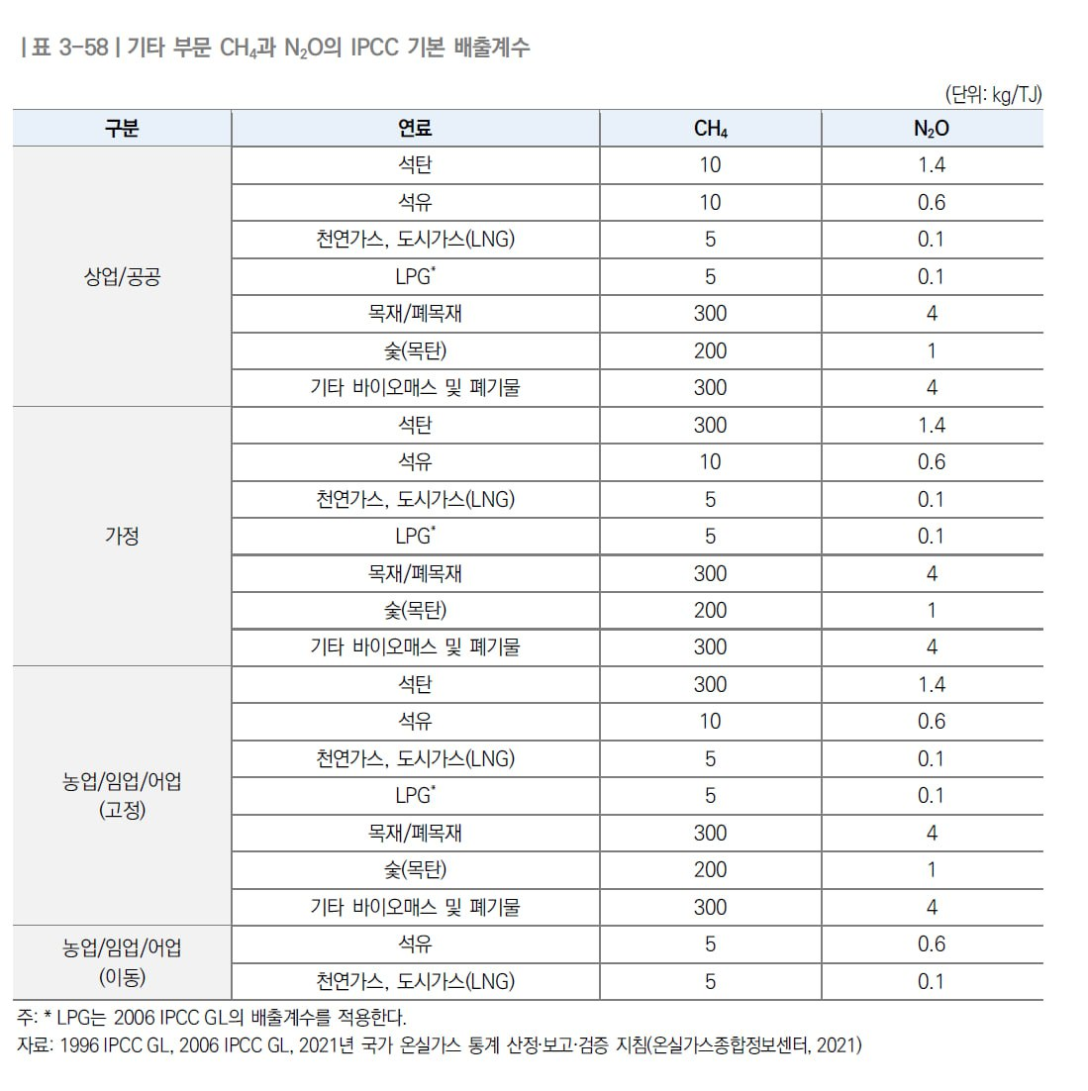
 | CO2EF | CH4EF | N2OEF | Stored_rate
p1_HARDCOAL | 26.8 | 10 | 1.5 | 0.00 | CO2EF | C kg/GJ | IPCC 2006 GL
p2_BROWN | 27.6 | 10 | 1.5 | 0.00 | CH4EF | CH4 kg/TJ | NIR 2022, IPCC 2006 GL
p3_ANTCOAL | 26.8 | 10 | 1.5 | 0.00 | N2OEF | N2O kg/TJ | NIR 2022, IPCC 2006 GL
p4_COKCOAL | 25.8 | 10 | 1.5 | 0.00
p5_BITCOAL | 25.8 | 10 | 1.5 | 0.00
p6_SUBCOAL | 26.2 | 10 | 1.5 | 0.00
p7_LIGNITE | 27.6 | 10 | 1.5 | 0.00
p8_PATFUEL | 26.6 | 10 | 1.5 | 0.00
p9_OVENCOKE | 29.2 | 10 | 1.5 | 0.75
p10_GASCOKE | 29.2 | 5 | 0.1 | 0.75
p11_COALTAR | 22 | 10 | 1.5 | 0.75
p12_BKB | 26.6 | 10 | 1.5 | 0.75
p13_GASWKSGS | 12.1 | 5 | 0.1 | 0.75
p14_COKEOVGS | 12.1 | 5 | 0.1 | 0.75
p15_BLFURGS | 70.8 | 5 | 0.1 | 0.75
p16_OGASES | 49.6 | 5 | 0.1 | 0.75
p17_PEAT | 28.9 | 10 | 1.4 | 0.00
p18_PEATPROD | 28.9 | 10 | 1.4 | 0.00
p19_OILSHALE | 29.1 | 10 | 1.5 | 0.00
p20_NATGAS | 15.3 | 5 | 0.1 | 0.33
p21_CRNGFEED | 20 | 10 | 0.6 | 0.00
p22_CRUDEOIL | 20 | 10 | 0.6 | 0.00
p23_NGL | 17.5 | 10 | 0.6 | 0.00
p24_REFFEEDS | 20 | 10 | 0.6 | 0.00
p25_ADDITIVE | 20 | 10 | 0.6 | 0.00
p26_NONCRUDE | 20 | 10 | 0.6 | 0.00
p27_REFINGAS | 15.7 | 5 | 0.1 | 0.00
p28_ETHANE | 16.8 | 5 | 0.1 | 0.80
p29_LPG | 17.2 | 5 | 0.1 | 0.80
p30_NONBIOGASO | 18.9 | 10 | 0.6 | 0.50
p31_AVGAS | 19.1 | 10 | 0.6 | 0.50
p32_JETGAS | 19.1 | 10 | 0.6 | 0.50
p33_NONBIOJETK | 19.5 | 10 | 0.6 | 0.50
p34_OTHKERO | 19.6 | 10 | 0.6 | 0.50
p35_NONBIODIES | 20.2 | 10 | 0.6 | 0.50
p36_RESFUEL | 21.1 | 10 | 0.6 | 0.50
p37_NAPHTHA | 20 | 10 | 0.6 | 0.80
p38_WHITESP | 20 | 10 | 0.6 | 0.50
p39_LUBRIC | 20 | 10 | 0.6 | 0.50
p40_BITUMEN | 22 | 10 | 0.6 | 1.00
p41_PARWAX | 20 | 10 | 0.6 | 0.50
p42_PETCOKE | 26.6 | 10 | 0.6 | 0.50
p43_ONONSPEC | 20 | 10 | 0.6 | 0.50
p44_INDWASTE | 0 | 0 | 0 | 0
p45_MUNWASTER | 0 | 0 | 0 | 0
p46_MUNWASTEN | 0 | 0 | 0 | 0
p47_PRIMSBIO | 0 | 0 | 0 | 0
p48_BIOGASES | 0 | 0 | 0 | 0
p49_BIOGASOL | 0 | 0 | 0 | 0
p50_BIODIESEL | 0 | 0 | 0 | 0
p51_BIOJETKERO | 0 | 0 | 0 | 0
p52_OBIOLIQ | 0 | 0 | 0 | 0
p53_RENEWNS | 0 | 0 | 0 | 0
p54_CHARCOAL | 0 | 0 | 0 | 0
p55_NUCLEAR | 0 | 0 | 0 | 0
p56_HYDRO | 0 | 0 | 0 | 0
p57_GEOTHERM | 0 | 0 | 0 | 0
p58_SOLARPV | 0 | 0 | 0 | 0
p59_SOLARTH | 0 | 0 | 0 | 0
p60_TIDE | 0 | 0 | 0 | 0
p61_WIND | 0 | 0 | 0 | 0
p62_OTHER | 0 | 0 | 0 | 0
p63_ELECTR | 0 | 0 | 0 | 0
p64_HEAT | 0 | 0 | 0 | 0
p65_HEATNS | 0 | 0 | 0 | 0
p66_TOTAL | 0 | 0 | 0 | 0
p67_MANGAS | 0 | 0 | 0 | 0
p68_MRENEW | 0 | 0 | 0 | 0

